Introduction
Title |  | Gantt Chart

Content |  | A Gantt chart is used to track project activities according to their planned and actual duration.
 |  | In this template, the project activities you enter will be visually displayed in a chart, which automatically updates based on the dates and planned durations you assign to each activity.
 |  | With the integrated completion tracker, you can keep track of the percentage completion of each activity, which will be dynamically reflected in the Gantt Chart.

Customization difficulty (1-3) |  | 2

Explanation of template | Activity | Enter the names of the individual activities. The prepopulated template ascendingly orders them from "Activity 1" to "Activity 10".
 | Planned Starting Date | Type in the planned starting date of your activity.
 | Planned Duration | Enter the expected duration each activity should have (in working days).
 | Planned End Date | Automatic calculation: the planned end date, based on your planned starting date and expected duration.

 | Actual Starting Date | Type in the actual starting date of your activity (this may well differ from the planned starting date).
 | Actual Duration | Enter the actual duration each activity has taken. This is the light green bar in the chart.
 | Actual End Date | Automatic calculation: Based on actual starting date and actual duration
 | Completion | Adjust for the extent to which each activity has been completed already. Note that based on your inputs, the dark green bar will fill the activity.
 | Completed days | Automatic calculation: Based on actual duration and completion. This then translates into the dark green bar in your Gantt Chart.
 | Delta | Calculates the difference between the actual duration and the planned one. Negative numbers imply that the activity was completed more quickly than planned

How to customize | 1) | On the sheet "Gantt Chart", enter the name for your project in cell B1
 | 2) | In column B:B, assign names to individual activities. The prepopulated template comes with 10 dummy activities. If your project has fewer activities delete them.
 | 3) | If your project has more than 10 activities, simply add them to the table below.
 | 4) | Populate cells C:C and D:D for the planned dates and duration. If applicable, enter holiday dates in range B3:F5. These dates will then be excluded from the workday calculations.
 | 5) | This step is crucial to making sure that your X-Axis in the chart is displayed properly: Select the X-Axis in the chart, press Ctrl+1, and change the Minimum Bounds to the number 45533, which is the planned date of the first activity minus 10 days.
 | 6) | Refer to below screenshot for reference (of course the minimum might differ in your specific case).
 | 7) | In the last step, adjust for the % completion of each activity. This then translates into the dark green section of the Gantt Chart.

 |  | If you want to change the width of the bars, select one of them, and press ctrl + 1 to open up the formatting options. In the "Fill" section, you can adjust the width. For color changes, simply select the bar you want to change and change the color on the home ribbon.

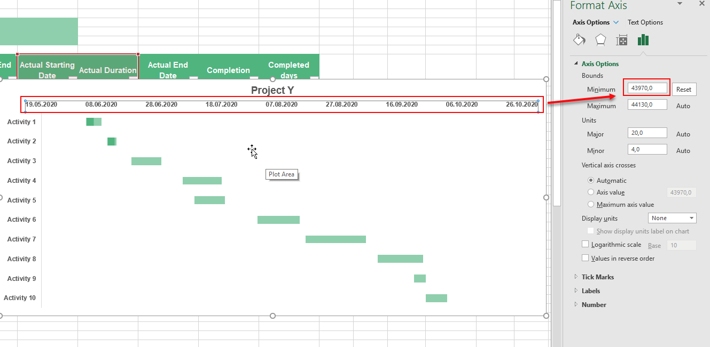

Related To Online Templates |  | Our templates is compatible with online service but some templates that including macros feature is still not supported with Excel Online
 |  | Here is some hints that replace our macros in case of using Online Template

 | Referesh / Update Data | Some of our templates include Referesh/Update data macro button that can be replaced with Referesh All tool in Excel Online ribbon

 | Full Screen | Some of our templates have Full Screen macro button that can be replaced with the itself web browser full screen tool

 | Other Macros / Buttons | Other macros is applied on less than ~15% of our templats can be overcome by transferring to Desktop App "Open in Desktop App" button

 | Open in Desktop App | To open online template using Desktop App be sure that you signed in to your Microsoft account / Onedrive account

Gantt Chart
Project Name | Project Y

Holidays

 | Activity | Planned Starting Date | Planned Duration (working days) | Planned End Date | Actual Starting Date | Actual Duration | Actual End Date | Completion | Completed days | Delta | Task | Start actual date | #days | #days completed
 | Activity 1 | 2024-09-08 | 5 days | 2024-09-13 | 2024-09-08 | 5 days | 2024-09-13 | 100% | 5 | 0 days
 | Activity 2 | 2024-09-10 | 7 days | 2024-09-19 | 2024-09-15 | 3 days | 2024-09-18 | 80% | 2.4 | -4 days
 | Activity 3 | 2024-09-20 | 13 days | 2024-10-09 | 2024-09-23 | 10 days | 2024-10-07 | 50% | 5 | -3 days
 | Activity 4 | 2024-10-15 | 4 days | 2024-10-21 | 2024-10-10 | 13 days | 2024-10-29 | 40% | 5.2 | 9 days
 | Activity 5 | 2024-10-18 | 15 days | 2024-11-08 | 2024-10-14 | 10 days | 2024-10-28 | 30% | 3 | -5 days
 | Activity 6 | 2024-11-09 | 10 days | 2024-11-22 | 2024-11-04 | 14 days | 2024-11-22 | 0% | 0 | 4 days
 | Activity 7 | 2024-11-24 | 9 days | 2024-12-05 | 2024-11-20 | 20 days | 2024-12-18 | 0% | 0 | 11 days
 | Activity 8 | 2024-12-09 | 7 days | 2024-12-18 | 2024-12-14 | 15 days | 2025-01-03 | 0% | 0 | 8 days
 | Activity 9 | 2024-12-19 | 6 days | 2024-12-27 | 2024-12-26 | 4 days | 2025-01-01 | 0% | 0 | -2 days
 | Activity 10 | 2024-12-29 | 10 days | 2025-01-10 | 2020-09-24 | 7 days | 2020-10-05 | 0% | 0 | -3 days

Project Y
 | Actual Starting Date | Actual Duration
Activity 1 | 9/8/2024 | 5 days
Activity 2 | 9/15/2024 | 3 days
Activity 3 | 9/23/2024 | 10 days
Activity 4 | 10/10/2024 | 13 days
Activity 5 | 10/14/2024 | 10 days
Activity 6 | 11/4/2024 | 14 days
Activity 7 | 11/20/2024 | 20 days
Activity 8 | 12/14/2024 | 15 days
Activity 9 | 12/26/2024 | 4 days
Activity 10 | 9/24/2020 | 7 days

